Module 24
Main
 | Module 24 - Statement of Cash Flows

 | IAS 7

 | FA Module 18

 | allows user to evaluate the:
 | changes in net assets
 | financial structure of an entity (incl. Liquididity and solvency)
 | ability of an entity to adapt to changing circumstances and opportunities

 | when doing cashflow - assume the overdraft is part of cash
 | cash less the overdraft
 | overdraft is callable on demand - so not cash, or cash equivalent

 | operating activities
 | investing activities
 | financing activities

 | text book part A - IAS 7 has a pro-forma CF
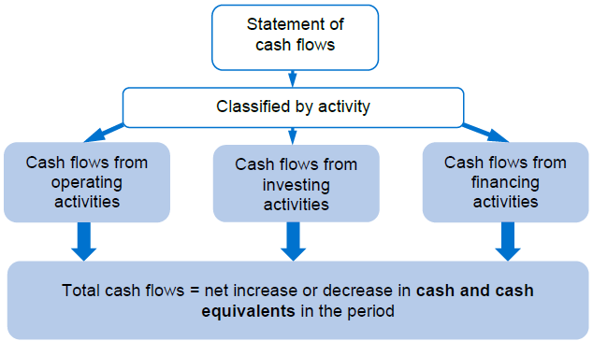

 | net change plus opening balance = cash and cash equivalents at year end

 | cash generated from operations
 | taxes paid
 | dividends paid and received

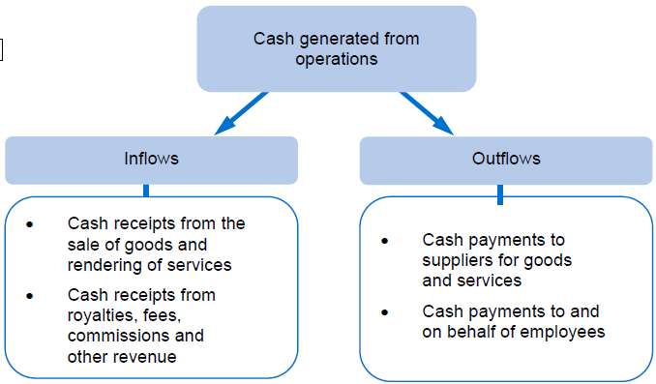

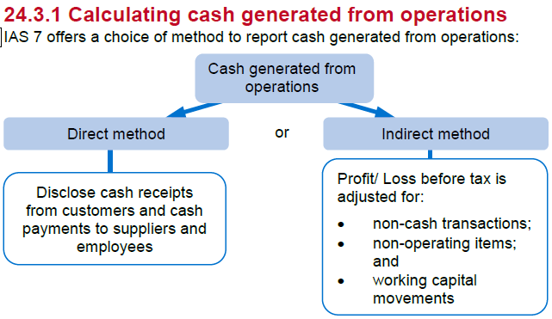

 | indirect
 | indirect takes the PBT then adjusts it for non-cash itens
 | take out non-operating items
 | add in the working capital movements

 | Direct
 | the direct method does it forward

 | Entities are encouraged to use the direct method

 | The question will request one of the moethods be used

 | cash receipts

 | opening AR
 | plus revenue
 | less closing receivables

 | equals the net receipts

 | then ajdust for bad detb, deduct increase in bad debt allce
 | add back a decrease in bd allce

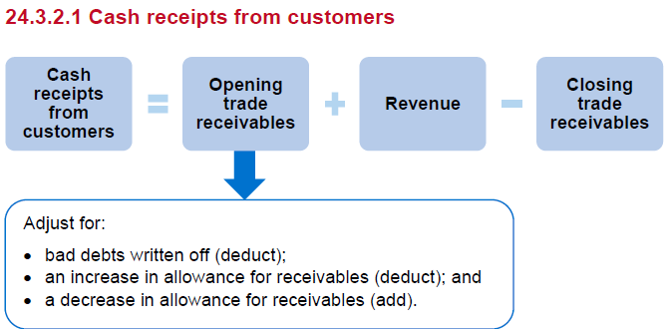

 | the increase/decrease in allce can make it appear as though cash has in/out flowed where it hasn't so - needs to bee adjusted for

 | Activity 1
 | opening trade receivables |  | 235
 | less: Bad debts |  | -14
 | add: increase in allces |  | -15
 | revenue |  | 1,200
 |  |  | 1,406
 | closing trade receivables |  | 259
 | cash receipts from customers |  | 1,147

 | COS
 | opening stock |  | x
 | add: purchases |  | x
 | less: closing stock |  | (x)
 | COS |  | x

 | Cos |  | x
 | less: opening stock |  | (x)
 | add: closing stock |  | x
 | prucahses |  | x

 | Activity 2 - continues on from Activity 1
 | 1
 | Opening Trade payables, accurals (less prepayments) and provision |  | 215
 | Purchases |  | 860
 | Distribution costs |  | 40
 | admin expenses |  | 21 | admin cahrge less depr, less BD, less increase in BD allce, add back gain on sale
 |  |  | 1,136
 | closing trade payables, accruals, (less prepayments) and provision |  | 245
 | Cash paid to suppliers and emplpyees |  | 891

 | cash flows from operating activities
 | cash receipts from customers |  | 1,147
 | less: cash paid to suppliers and employees |  | -891
 | cash generated from operations |  | 256

 | Indirect method

 | begin with PBT then add or deduct the non-cash elements

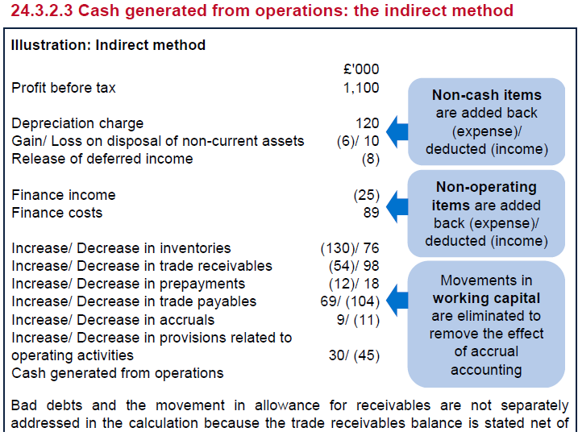

 | Activity 3

 | PBT |  | 225
 | Adjustments for :
 | Finance cost |  | 15
 | depreciation charge |  | 36
 | gain on sale |  | (6)
 | increase in inventories |  | (20)
 | increase in AR |  | (24) | <<<bad debts and allces are dealt with in the AR figure
 | increase in prepayments |  | (3)
 | increase in AP |  | 30
 | decrease in accruals |  | (7)
 | Increase in prov'n |  | 10
 | Cash generated from operations |  | 256

 | Direct and indirect method will always come out at the same answer
 | if not - then there has been a problem

 | Taxes paid

 | cash outflow
 | only CT is considered
 | taxes paid are decudted from cash generated from operations in the calculation of cash flows from operating activities

 | opening tax balances |  | x | creditor
 | add: taxation for the year |  | x | SP
 | lee: closing tax balance |  | (x) | creditor
 | Taxes paid |  | x

 | opening tax balance includes:
 | current tax payable and
 | deferred tax liabilty/asset

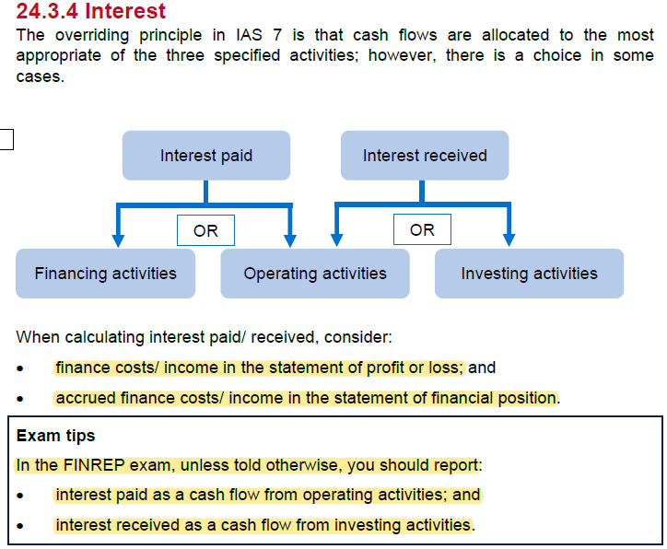

 |  | CY | PY
 | accrued finance income | 600 | 400

 | accrued finance cost | 3200 | 2900

 |  | CY
 | finance cost | -45000
 | Finance income | 3000

 |  |  | interst paid | Interest received
 | openign accured finance costs and income |  | 2,900 | 400
 | finance cost and income |  | 45,000 | 3,000
 | Closing accrued finance cost and income |  | -3,200 | -600
 | interest paid and received |  | 44,700 | 2,800

 | dividends declared in the year can be calculated by reconciling the opening and closing balance in retained earnings

 | if there is dividend payable balance, it adjusts the calculated dividends declared to find dividends paid

 | dividends paid are a cash flow from financing activities
 | dividends received are a cash flow from investing actitivities

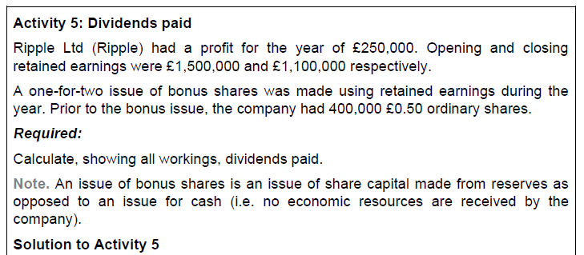

 | Opening retained earnings |  | 1,500
 | profit for the year |  | 250
 | issue of bonus shares |  | -100
 |  |  | 1,650
 | closing retained earnings |  | 1,100
 | Dividends paid |  | 550

 | Cashflows from investing activities
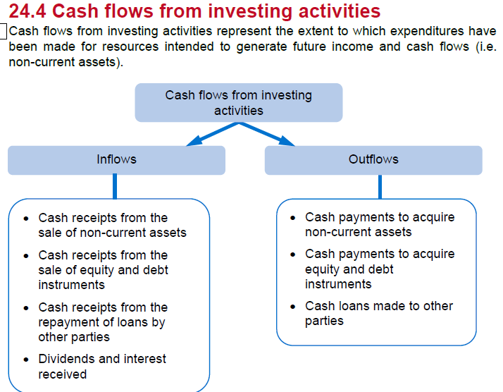

 | carrying amount of disposals

 | Illustration: Cash purchases of property, plant and equipment
 | Opening carrying amount |  |  | 560
 | Carrying amount of disposals |  |  | -45
 | Depreciation charge for year |  |  | -78
 | Revaluation increases |  |  | 100
 | Right-of-use assets under new leases |  |  | 75
 |  |  |  | 612
 | Closing carrying amount |  |  | 644
 | Purchases of property, plant and equipment |  |  | 32 | <<<this should reconcile to the additions line in PPE (adjusted fro ROUA)

 | Activity 6
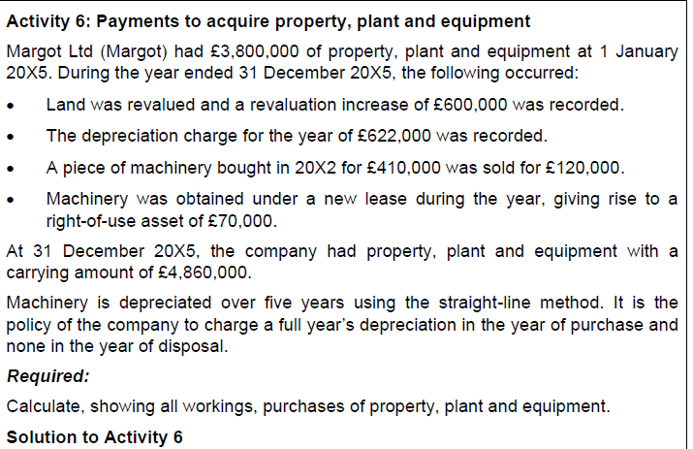

 | Opening carrying amount |  | 3,800
 | revaluation increase |  | 600
 | depr charge for year |  | -622
 | NBV at disposal |  | -164
 | ROUA under new lease |  | 70
 |  |  | 3,684
 | Closing NBV |  | 4,860
 | purchase of PPE |  | 1,176

 | diposal of Machinery
 | cost | 410
 | AD | 246
 | NBV | 164
 | proceeds | 120
 | loss on disp | -44

 | Cashflows from financing activities

 | Note that the following do not result in cash flows:
 | • Issue of bonus shares;
 | • Shares issued in consideration for the acquisition of an investment in a subsidiary; and
 | • Conversion of debt to equity.
 | See modules 15, 28 & 14.

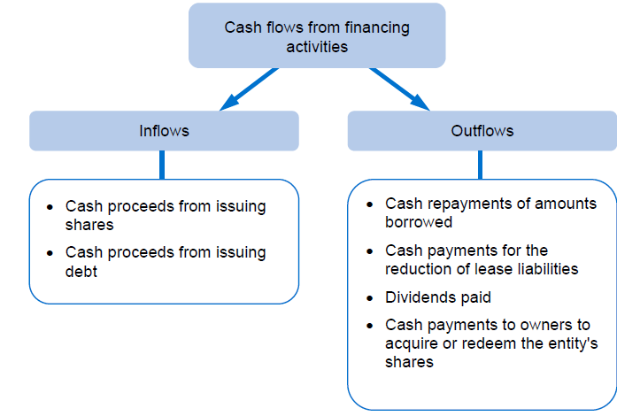

 | Activity 7: Financing activities

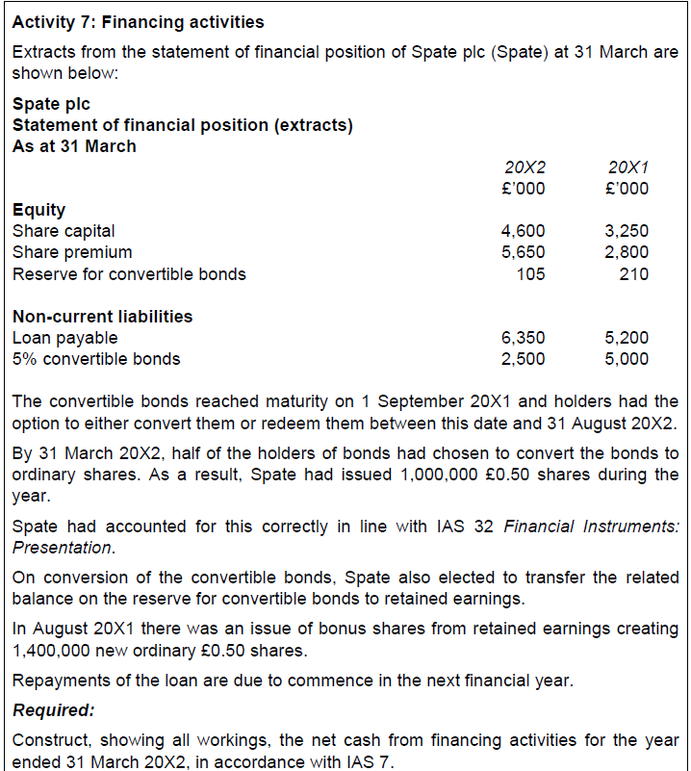

 | Proceeds from issue of share capital

 | Opening share capital and share premium |  |  | 6,050 |  | checksum
 | Conversion of debt |  |  | 2,500 | <<non-cash | opening | 6,050
 | issue of bonus shares |  |  | 700 | <<<non-cash | conversion | 2,500
 |  |  |  | 9,250 |  | bonus | 700
 | Closing share capital and share premium |  |  | 10,250 |  | issue | 1,000
 | Proceeds from issue of share capital |  |  | 1,000 | <<<cash | clsongin | 10,250

 | Proceeds from long-term borrowings

 | Opening loan payable |  |  | 5,200
 | Closing loan payeable |  |  | 6,350
 | Proceeds from LT borrowings |  |  | 1,150 | <<<cash

 | Net cash from financing activites

 | Cash flows from financing activities
 | Proceeds from issue of share capital |  |  | 1,000
 | proceeds from LT borrowings |  |  | 1,150
 | Net cash from financing activities |  |  | 2,150

WSE24.2
Main
 | Reds plc
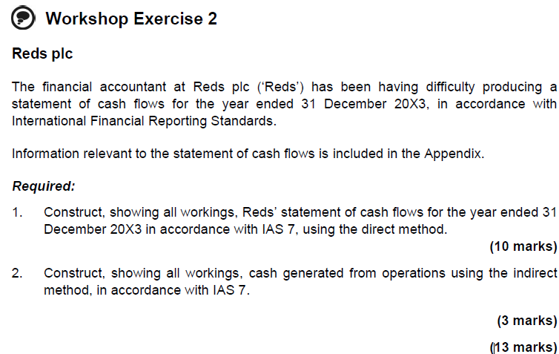

 | Cash generated from operations
 | Cash receipts from custoemrs
 | Opening AR |  |  | 189
 | Revenue |  |  | 2,530
 |  |  |  | 2,719
 | Closing AR |  |  | 164
 | cash receipts from customers |  |  | 2,555

 | Cash paid to suppliers and Ee's
 | Opening AP |  |  | 84
 | purchases |  |  | 1,683 | <<less depr, less loss on disposal
 | distribution exp. |  |  | 62
 | admin exp. |  |  | 76
 |  |  |  | 1,905
 | Closing AP |  |  | 74
 | Cash paid to suppliers and EE's |  |  | 1,831

 | Interest paid |  |  | 2
 | opening accrued finance cost |  |  | 190
 |  |  |  | 192
 | Closing accured finance cost |  |  | 7
 | Interest paid |  |  | 185

 | Taxes paid
 | Opening current tax payable |  |  | 66
 | taxation |  |  | 183
 |  |  |  | 249
 | Closing current tax payable |  |  | 83
 | Taxes paid |  |  | 166

 | Purchase of PPE
 | Opening PPE |  |  | 1524
 | Depr'n charge |  |  | -167
 | diposal |  |  | -24
 | revaluation increase |  |  | 380
 |  |  |  | 1713
 | Closing PPE |  |  | 2193
 | Purchase of PPE |  |  | -480

 | Proceeds from sale of PPE
 | Carrying amount |  |  | 24
 | Loss on disposal |  |  | 14
 | Proceeds from sale of PPE |  |  | 10

 | Poceeds from issue of share capital
 | Opening share capital and share premium |  |  | 880
 | issue of bonus shares |  |  | 60
 |  |  |  | 940
 | Closing share capital and share premium |  |  | 958
 | Proceeds from issue of share capital |  |  | 18

 | Proceeds from LT borrowing
 | Opening debentures |  |  | 850
 | closing debentures |  |  | 1000
 | Proceeds from LT borrowing |  |  | 150

 | Dividends paid
 | Opening RE |  |  | 124
 | profit for the year |  |  | 159
 | issue of bonus shares |  |  | -60
 |  |  |  | 223
 | Closing retained earnings |  |  | 158
 | Dividends paid |  |  | -65

 | Reds plc
 | Statement of cashflows
 | YE 31/12/2023
 |  |  |  | £'000 | £'000
 | Cash flows from operating activities
 | cash receipts from customers |  |  | 2,555
 | cash paid to suppliers and employees |  |  | -1,831
 | cash generated from operations |  |  | 724
 | interest paid |  |  | -185
 | taxes paid |  |  | -166
 | Net cash from operating activities |  |  |  | 373

 | cash flows from investing activites
 | purchase of PPE |  |  | -480
 | proceeds from sale of PPE |  |  | 10
 | net cash used in investing activities |  |  |  | -470

 | Cash flows from financing activities
 | proceeds from issue of share capital |  |  | 18
 | proceeds from LT borrowings |  |  | 150
 | dividends paid |  |  | -65
 | net cash from financing activities |  |  |  | 103

 | Net inccrease in cash and cash equivalents |  |  |  | 6
 | cash and equivalents at open |  |  |  | 191
 | cash and cash equivalents at clost |  |  |  | 197
 | per FS |  |  |  | 197
 | zero check |  |  |  | 0

 | Indirect method

 | Working capital movements
 |  | inventory | AR | AP
 | opening | 102 | 189 | 84
 | closing | 106 | 164 | 74 | <<<74 apparently
 | movement | 4 | -25 | 10

 | Cash generated from operations
 | PBT |  |  | 342
 | Adjustements for:
 | finance cost |  |  | 190
 | deprectiation charges |  |  | 167
 | loss on disposal of PPE |  |  | 14
 |  |  |  | 713
 | Increase in inventories |  |  | -4
 | Decrease in AR |  |  | 25
 | decrease in AP |  |  | -10
 | cash generated from operations |  |  | 724

WSE24.4
Main
 | Holmes Ltd

 |  | £'000 | £'000
 |  | 2023 | 2022

 | PPE | 2,700 | 2,500
 | Investments | 610 | 700
 |  | 3,310 | 3,200

 | Inventories | 620 | 510
 | AR | 500 | 520
 | Cash | 100 | 0
 |  | 1,220 | 1,030
 | A | 4,530 | 4,230

 | SC | 1,400 | 1,300
 | SP | 800 | 700
 | RVS | 10 | 0
 | RE | 1,500 | 1,410
 | E | 3,710 | 3,410

 | debentures | 200 | 150
 | Deferred ta | 100 | 60
 | NCL | 300 | 210

 | Overdraft | 0 | 10
 | AP | 400 | 500
 | current tax | 120 | 100
 | NCL | 520 | 610
 | L | 820 | 820
 | E+L | 4,530 | 4,230

 | Rev | 8100
 | CoS | -6500
 | GP | 1600
 | Admin | -1240
 | finance income | 30
 | finance costs | -20
 | PBT | 370
 | Tax | -160
 | PAT | 210

 | Direct method

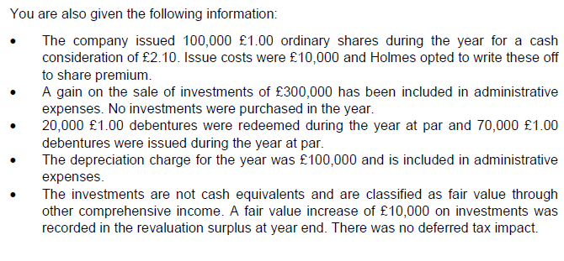

 | Cash and cash equivalents | 100 | 0
 | bank overdraft | 0 | (10)
 |  | 100 | (10)

 | Working capital movements | Inventories | AR | AP
 | Opening | 510 | 520 | 500
 | Non-cash items
 | Closing | 620 | 500 | 400
 | Increase/(Decrease) | 110 | (20) | (100)
 | Cash generated from operations |  |  |  | (10)

 | Finance cost
 | Opening accrued finance cost
 | Finance cost | 20
 | Closing accrued finance cost
 | Interest paid

 | Taxes paid
 | Opening current tax payable | 100
 | Taxation | -160
 | Closing current tax payable | 120
 | Taxes paid | (140)

 | Purchase of PPE
 | Opening carrying amount | 2,500
 | Less depreciation | -100
 | Closing PPE NBV | 2,700
 | Purchase of PPE | 100

 | Proceeds from sale of PPE | 300

 | Interest received
 | Openign accrued finance income
 | Finance income | 30
 | Closing accrued finance income
 | Interest received

 | Dividends paid
 | Opening RE | 1,410
 | Profit for the year | 210
 | Issue of bonus shares
 | release of reservcs (non-cash) | 10
 | Closing RE | 1,500
 | Dividends paid | 130

 | Proceeds from issue of share capital
 | Opening share capital and share premium | 2,000
 | Issue of bonus shares | 200 | =2.1*100-10
 | Closing share capital and share premium | 2,200
 | Proceeds from issue of share capital | 0

 | Proceeds from LT borrowing
 | Opening debentures | 150
 | Derecgonition of debenture | -20
 | Closing debentures | 200
 | Proceeds from LT borrowing | (70)

 | Purchase of investments
 | opening investments | 700
 | Revaluations gains | 10
 | Closing investments | 610
 | Purchase of investments | (80)

WSE24.5
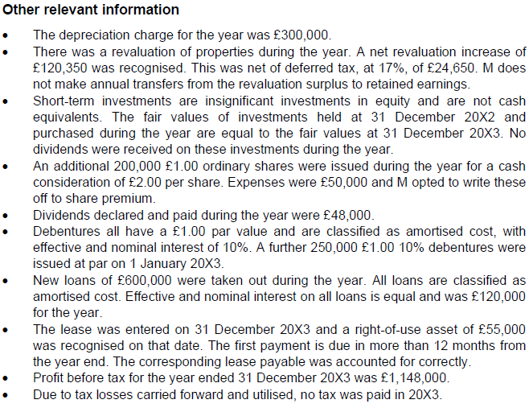
Main
 | [INSERT COMPANY] plc/ Ltd |  |  |  |  |  | CY | PY
 | Statement of cash flows |  |  |  | Cash and cash equivalents |  | £'000 | £'000
 | For the year ended [INSERT Y/E DATE] |  |  |  | Cash and cash equivalents within current assets |  | 950 | 500
 |  | £'000 | £'000 |  | Bank overdraft |  | (750) | (400)
 | Cash flows from operating activities |  |  |  |  |  | 200 | 100
 | Profit/ Loss before taxation | 1,148
 | Adjustments for: |  |  |  | Working capital movements
 | Depreciation of non-current assets | 300 |  |  |  | Inventories | Trade and other receivables | Trade and other payables | Provisions
 | Amortisation of non-current assets |  |  |  |  | £'000 | £'000 | £'000 | £'000
 | Gain on sale of non-current assets | 0 |  |  | Opening | 900 | 540 | 500
 | Loss on sale of non-current assets |  |  |  | Non-cash items
 | Fair value gain | 0 |  |  | Closing | 1,000 | 550 | 450
 | Fair value loss |  |  |  | Increase/(Decrease) | 100 | 10 | (50) | 0
 | Foreign exchange gain |  |  |  | Cash generated from operations = |  |  |  | (60)
 | Foreign exchange loss
 | Release of deferred income
 | Finance income | 0 |  |  | Account for movements in accruals, inventories, prepayments, provisions etc (can separate out)
 | Finance costs | 245
 |  | 1,693 |  |  | Interest paid
 | Increase in inventories | (100) |  |  | Opening accrued finance costs
 | Increase in trade and other receivables | (10) |  |  | Finance costs |  |  | 0
 | Decrease in trade and other payables | (50) |  |  | Nominal payments |  |  | 0
 | Decrease in provisions | 0 |  |  | Debentures |  |  | 125
 | Cash generated from operations | 1,533 |  |  | Loans |  |  | 120
 | Interest paid | (245) |  |  | Less Effective interest
 | Taxes paid | 0 |  |  |  |  |  | 245
 | Net cash from/ used in operating activities |  | 1,288 |  | Closing accrued finance costs |  |  | 0
 |  |  |  |  | Interest paid |  |  | 245
 | Cash flows from investing activities
 | Acquisition of subsidiary, net of cash acquired |  |  |  | Taxes paid
 | Disposal of subsidiary, net of cash disposed |  |  |  | Opening current tax payable |  | 0
 | Purchase of non-current assets | (2,100) |  |  | Opening deferred tax |  | 0 | 0
 | Proceeds from sale of non-current assets | 0 |  |  | Taxation |  |  | 0
 | Purchase of other investments | (90) |  |  |  |  |  | 0
 | Proceeds from sale of other investments |  |  |  | Closing current tax payable |  | 0
 | Interest received | 0 |  |  | Closing deferred tax |  |  | 0
 | Dividends received | 0 |  |  | Taxes paid |  |  | 0
 | Net cash from/ used in investing activities |  | (2,190)
 |  |  |  |  | Purchase of PPE
 | Cash flows from financing activities |  |  |  | Opening carrying amount |  |  | 3,000
 | Proceeds from issue of share capital | 350 |  |  | Revaluation increase/(impairment loss) |  |  | 145 | =120.3+25
 | Purchase of share capital |  |  |  | Less Depreciation charge |  |  | 300
 | Proceeds from issue of debt | 250 |  |  | Less disposals (carrying amount) |  |  | 0
 | Proceeds from long-term borrowings | 450 |  |  | RoU assets under new leases |  |  | 55
 | Payment/ Redemption of long-term borrowings | 0 |  |  |  |  |  | 2,900
 | Payment of lease liabilities | 0 |  |  | Closing carrying amount |  |  | 5,000
 | Financing by sale of investment (not derecognised) |  |  |  | Purchase of PPE |  |  | 2,100
 | Lease financing received (lease payable)
 | Dividends paid | (48) |  |  | Proceeds from sale of PPE
 | Net cash from/ used in investing activities |  | 1,002 |  | Carrying amount |  |  | 0
 |  |  |  |  | Loss/(gain) on disposal
 | Net increase/ decrease in cash and cash equivalents |  | 100 |  | Proceeds from sale of PPE |  |  | 0
 | Cash and cash equivalents at [INSERT FIRST DAY OF YEAR] |  | 100
 | Cash and cash equivalents at [INSERT Y/E DATE] |  | 200
 |  |  |  |  | Interest received
 |  | -0 |  |  | Opening accrued finance income |  |  | 0
 |  |  |  |  | Finance income |  |  | 0
 |  |  |  |  | Less effective interest
 |  |  |  |  | Nominal receipt
 |  |  |  |  |  |  |  | 0
 |  |  |  |  | Closing accrued finance income |  |  | 0
 |  |  |  |  | Interest received |  |  | 0

 |  |  |  |  | Dividends paid
 |  |  |  |  | Opening retained earnings |  |  | 150
 |  |  |  |  | Profit for the year |  |  | 1,148
 |  |  |  |  | Issue of bonus shares
 |  |  |  |  | Release of reserves (non cash)
 |  |  |  |  |  |  |  | 1,298
 |  |  |  |  | Closing retained earnings |  |  | 1,250
 |  |  |  |  | Dividends paid |  |  | 48

 |  |  |  |  | Dividends received

 |  |  |  |  | Proceeds from issue of share capital
 |  |  |  |  | Gross proceeds |  |  | 400 | =200*2
 |  |  |  |  | Issue costs |  |  | (50)
 |  |  |  |  | Proceeds from issue of share capital |  |  | 350

 |  |  |  |  | Proceeds from long term borrowings
 |  |  |  |  | Opening debentures |  |  | 1,700
 |  |  |  |  | Derecognition of debentures |  |  | 0
 |  |  |  |  | Proceeds from issue of debt |  |  | 250
 |  |  |  |  | Closing debentures |  |  | 2,150 | =1600+100
 |  |  |  |  | Proceeds from long term borrowings |  |  | 450 | =1950+200

 |  |  |  |  | Purchase of investments
 |  |  |  |  | Opening investments |  |  | 60
 |  |  |  |  | Revaluation gains |  |  | 0
 |  |  |  |  |  |  |  | 60
 |  |  |  |  | Closing investments |  |  | 150
 |  |  |  |  | Purchase of investments |  |  | 90
 |  |  |  |  |  |  |  |  |  | Remember transaction fees
 |  |  |  |  | Proceeds from sale of investments
 |  |  |  |  | Opening investments |  |  | 60
 |  |  |  |  | Fari value increase |  |  | 0
 |  |  |  |  |  |  |  | 60 |  | Include both long term and current loans payable
 |  |  |  |  | Closing investments |  |  | 150 |  | PPE borrowing cost loans drawn down
 |  |  |  |  | Carrying amount of investments sold |  |  | (90)
 |  |  |  |  | Gain on sale of investments |  |  | 0
 |  |  |  |  | Proceeds from sale of investments |  |  | (90)

 |  |  |  |  | Payment of long-term borrowings
 |  |  |  |  | Opening loan payable
 |  |  |  |  | Proceeds from issue of LT borrowings
 |  |  |  |  |  |  |  | 0
 |  |  |  |  | Closing loan payable
 |  |  |  |  | Payment of long-term borrowings |  |  | 0

 |  |  |  |  | Payment of lease liabilities
 |  |  |  |  | Opening lease payable |  |  | 0
 |  |  |  |  | New lease |  |  | 55
 |  |  |  |  |  |  |  | 55
 |  |  |  |  | Closing lease payable |  |  | 55
 |  |  |  |  | Payment of lease liabilities |  |  | 0

 |  |  |  |  | Purchase of Intangibles
 |  |  |  |  | Opening carrying amount
 |  |  |  |  | Revaluation increase
 |  |  |  |  | Less amortisation charge
 |  |  |  |  | Less disposals (carrying amount)
 |  |  |  |  |  |  |  | 0
 |  |  |  |  | Closing carrying amount |  |  | 0
 |  |  |  |  | Purchase of PPE |  |  | 0

 | M Ltd

 | PPE | 5,000 | 3,000
 |  | 5,000 | 3,000

 | Inventories | 1,000 | 900
 | AR | 550 | 540
 | Investments | 150 | 60
 | Cash | 950 | 500
 |  | 2,650 | 2,000
 | A | 7,650 | 5,000

 | SC | 1,200 | 1,000
 | SP | 400 | 250
 | RVS | 120 | 0
 | RE | 1,250 | 150
 | E | 2,970 | 1,400

 | Debentures | 1,250 | 1,000 | *
 | Loans payable | 1,950 | 1,600 | *
 | Deferred tax | 25 | 0 | *
 | Lease payable | 55 | 0 | *
 |  | 3,280 | 2,600

 | Bank overdrafts | 750 | 400 | *
 | AP | 450 | 500
 | Loans payable | 200 | 100 | *
 | CL | 1,400 | 1,000
 | L | 4,680 | 3,600
 | E+L | 7,650 | 5,000

WSE24.6
Main
 | SOFA Ltd
 | YE | 2023-10-31
 | Direct Method

 |  |  | 2023 | 2022
 |  |  | £'000 | £'000
 | PPE |  | 12,845 | 9,567
 |  |  | 12,845 | 9,567

 | Inventories |  | 3,345 | 3,621
 | AR |  | 7,635 | 5,239
 | Investments |  | 60 | 25
 | Cash |  | 998 | 56
 |  |  | 12,038 | 8,941
 | A |  | 24,883 | 18,508

 | SC |  | 9,000 | 7,500
 | SP |  | 1,450 | 0
 | RE |  | 7,343 | 4,637
 | E |  | 17,793 | 12,137

 | Lease Payable |  | 154 | 132
 | Deferred tax |  | 150 | 95
 | NCL |  | 304 | 227

 | Bank overdrafts |  | 469 | 310
 | AP |  | 5,187 | 5,019
 | lease payable* |  | 80 | 65
 | current tax payable* |  | 1,050 | 750
 | CL |  | 6,786 | 6,144
 | L |  | 7,090 | 6,371
 | E+L |  | 24,883 | 18,508

 | Revenue |  | 45231
 | COS |  | -18762
 | GP |  | 26469
 | Distribution |  | -9357
 | Admin expenses |  | -10236
 | finance income |  | 8
 | Finance cost |  | -53
 | PBT |  | 6831
 | Taxation |  | -2125
 | PAT |  | 4706
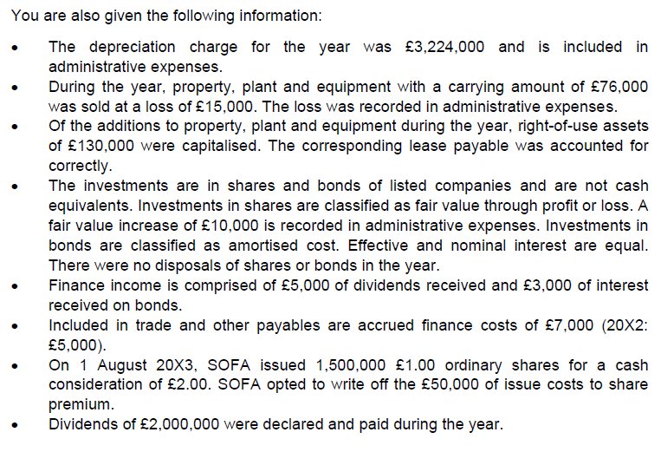

 | Direct method:
 |  |  | CY | PY
 | Cash and cash equivalents |  | £'000 | £'000
 | Cash and cash equivalents within current assets |  | 998 | 56
 | Bank overdraft |  | -469 | -310
 |  |  | 529 | -254

 | Working capital movements
 |  | Trade and other receivables |  | Trade and other payables
 |  | £'000 |  | £'000
 | Opening | 5,239 | Opening | 5,014 |  | Trade payables - Deduct prepayments from balance/ add accruals and provisions related to operating profit. Exclude tax payable and accrued finance costs.
 | Revenue | 45,231 | Purchases | 18,486 |  | Purchases = cost of sales - opening inventory + closing inventory
 | Bad debts written off (deduct) |  | Distribution costs | 9,357
 | (Increase)/decrease in receivables allowance |  | Admin expenses | 7,007 |  | Less depreciation, adjust for gains/losses on PPE (add back gains), add release of deferred income, less bad debts, adjust for (increase)/decrease in allowance for receivables and other cash items. Cash adjustments made should be added/deducted (not gains/losses)
 |  | 50,470 |  | 39,864
 | Closing | 7,635 | Closing | 5,180
 | Increase/(Decrease) | 42,835 |  | 34,684

 | Cash generated from operations = |  |  | 77,519

 | Interest paid
 | Opening accrued finance costs |  |  | 5
 | Finance costs |  |  | 53
 | Nominal payments
 | Less Effective interest
 |  |  |  | 58
 | Closing accrued finance costs |  |  | 7
 | Interest paid |  |  | 51

 | Taxes paid
 | Opening current tax payable |  | 750
 | Opening deferred tax |  | 95 | 845
 | Taxation |  |  | 2,125
 |  |  |  | 2,970
 | Closing current tax payable |  | 1,050
 | Closing deferred tax |  | 150 | 1,200
 | Taxes paid |  |  | 1,770

 | Purchase of PPE
 | Opening carrying amount |  |  | 9,567
 | Revaluation increase
 | Less Depreciation charge |  |  | 3,224
 | Less disposals (carrying amount) |  |  | 76
 | RoU assets under new leases |  |  | 130
 |  |  |  | 6,397
 | Closing carrying amount |  |  | 12,845
 | Purchase of PPE |  |  | 6,448

 | Proceeds from sale of PPE
 | Carrying amount |  |  | 76
 | Loss/(gain) on disposal |  |  | 15
 | Proceeds from sale of PPE |  |  | 61

 | Interest received
 | Opening accrued finance income
 | Finance income |  |  | 3
 | Less effective interest
 | Nominal receipt
 |  |  |  | 3
 | Closing accrued finance income |  |  | 0
 | Interest received |  |  | 3

 | Dividends paid
 | Opening retained earnings |  |  | 4,637
 | Profit for the year |  |  | 4,706
 | Bonus issue
 | Release of reserves (non cash) |  |  |  | i.e. revaulation/ convertible bonds
 |  |  |  | 9,343
 | Closing retained earnings |  |  | 7,343
 | Dividends paid |  |  | 2,000

 | Dividends received |  |  | 5

 | Proceeds from issue of share capital
 | Opening share capital and share premium
 | Issue of bonus shares |  |  | 2,950
 |  |  |  | 2,950
 | Closing share capital and share premium
 | Proceeds from issue of share capital |  |  | (2,950)

 | Proceeds from long term borrowings
 | Opening debentures
 | Closing debentures
 | Proceeds from long term borrowings |  |  | 0

 | Purchase of investments
 | Opening investments |  |  | 25
 | Revaluation gains |  |  | 10
 |  |  |  | 35
 | Closing investments |  |  | 60
 | Purchase of investments |  |  | 25

 | Payment of long-term borrowings
 | Opening loan payable
 | Closing loan payable
 | Payment of long-term borrowings |  |  | 0

 | Proceeds from sale of investments
 | Opening investments
 | Fair vaue increase
 |  |  |  | 0
 | Closing investments
 | Carrying amount of investments sold |  |  | 0
 | Gain on sale of investments
 | Proceeds from sale of investments |  |  | 0

 | Payment of lease liabilities
 | Opening lease payable |  |  | 197
 | New lease |  |  | 130
 |  |  |  | 327
 | Closing lease payable |  |  | 234
 | Payment of lease liabilities |  |  | 93

 | [INSERT COMPANY] plc/ Ltd | CHECKS (delete/ hide this column and any extra rows once checks performed)
 | Statement of cash flows
 | For the year ended [INSERT Y/E DATE]
 |  | If any rows/ columns are added, formulas must be updated and checked | £'000 | £'000
 | Cash flows from operating activities
 | Cash receipts from customers |  | 42,835
 | Cash paid to suppliers and employees |  | (34,684)
 | Cash generated from operations |  | 8,151
 | Interest paid | Can also be shown in a financing cash flow | (51)
 | Taxes paid |  | (1,770)
 | Net cash from/ used in operating activities | Delete 'from' or 'used in' as necessary |  | 6,330

 | Cash flows from investing activities | Add line items as necessary
 | Acquisition of subsidiary, net of cash acquired
 | Disposal of subsidiary, net of cash disposed
 | Purchase of non-current assets | Edit as necessary for type of non-current asset | (6,448)
 | Proceeds from sale of non-current assets | Edit as necessary for type of non-current asset | 61
 | Purchase of other investments | Edit as necessary for type of other investment | (25)
 | Proceeds from sale of other investments | Edit as necessary for type of other investment
 | Interest received | Can also be shown as an operating cash flow | 3
 | Dividends received | Can also be shown as an operating cash flow | 5
 | Net cash from/ used in investing activities | Delete 'from' or 'used in' as necessary |  | (6,404)

 | Cash flows from financing activities
 | Proceeds from issue of share capital |  | 2,950
 | Purchase of share capital
 | Proceeds from long-term borrowings | Edit as necessary for type of borrowing | 0
 | Payment/ Redemption of long-term borrowings | Edit as necessary for type of borrowing; Delete 'Payment'/ 'Redemption' as necessary | 0
 | Payment of lease liabilities |  | (93)
 | Dividends paid | Can also be shown as an operating cash flow | (2,000)
 | Net cash from/ used in financing activities | Delete 'from' or 'used in' as necessary |  | 857

 | Net increase/ decrease in cash and cash equivalents | Delete 'increase' or 'decrease' as necessary |  | 783
 | Cash and cash equivalents at [INSERT FIRST DAY OF YEAR] | From the final TB/ ETB; use negative amount if overdrawn |  | (254)
 | Cash and cash equivalents at [INSERT Y/E DATE] | From the final TB/ ETB; use negative amount if overdrawn |  | 529

 |  | Check that net movement in cash equals the movement in cash and cash equivalents | -

